Welcome
Impact of Covid 2020 Sem-I

Top 10 States in INDIA

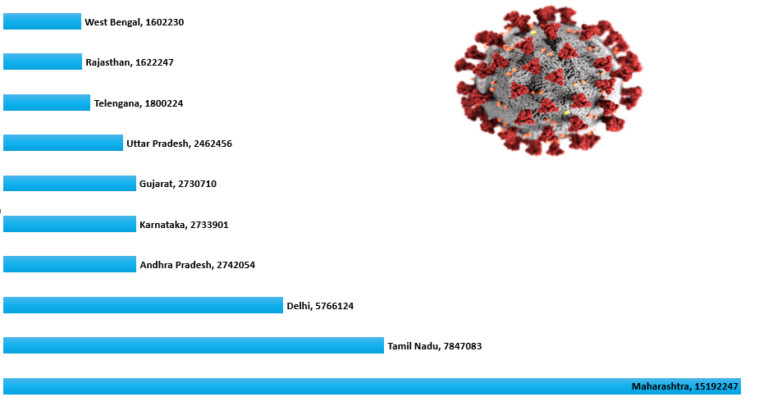

Covid 2020 Sem-I Dashboard

Dashboard
 | Series1 | Series2
1 | 8201 | 31696
2 | 270531 | 325666
3 | 0 | 2
4 | 0 | 0
5 | 722983 | 1079034
6 | 247662 | 382975
7 | 124 | 1303
8 | 78659 | 143597
What is the role of doctors in COVID-19?
From attending to patients without a break, to providing online consultation services for the last mile, the doctors ensured 24 x 7 care for COVID patients in their quest to save lives.
Total Confirm Cases
 | Total
Andaman and Nicobar Islands | 13569
Andhra Pradesh | 2742054
Arunachal Pradesh | 32082
Assam | 1003558
Bihar | 1277395
Chandigarh | 42812
Chhattisgarh | 256589
Dadra and Nagar Haveli and Daman and Diu | 26209
Delhi | 5766124
Goa | 150799
Gujarat | 2730710
Haryana | 1161598
Himachal Pradesh | 80549
Jammu and Kashmir | 685423
Jharkhand | 282717
Karnataka | 2733901
Kerala | 596758
Ladakh | 57213
Madhya Pradesh | 1291485
Maharashtra | 15192247
Manipur | 84000
Meghalaya | 17980
Mizoram | 13335
Nagaland | 45006
Odisha | 831767
Puducherry | 82967
Punjab | 539968
Rajasthan | 1622247
Sikkim | 13897
Tamil Nadu | 7847083
Telengana | 1800224
Tripura | 141618
Union Territory of Chandigarh | 2
Union Territory of Jammu and Kashmir | 26
Union Territory of Ladakh | 58
Uttar Pradesh | 2462456
Uttarakhand | 231641
West Bengal | 1602230
Total Number of Cases Recovered
 | Total
1 | 8201
2 | 270531
3 | 0
4 | 0
5 | 722983
6 | 247662
7 | 124
8 | 78659

Total no of Death
 | Total
Andaman and Nicobar Islands | 130
Andhra Pradesh | 144
Arunachal Pradesh | 122
Assam | 124
Bihar | 134
Chandigarh | 135
Chhattisgarh | 137
Dadra and Nagar Haveli and Daman and Diu | 89
Delhi | 154
Goa | 130
Gujarat | 136
Haryana | 152
Himachal Pradesh | 135
Jammu and Kashmir | 135
Jharkhand | 124
Karnataka | 147
Kerala | 186
Ladakh | 135
Madhya Pradesh | 135
Maharashtra | 147
Manipur | 132
Meghalaya | 111
Mizoram | 131
Nagaland | 69
Odisha | 140
Puducherry | 138
Punjab | 147
Rajasthan | 152
Sikkim | 71
Tamil Nadu | 149
Telengana | 154
Tripura | 118
Union Territory of Chandigarh | 2
Union Territory of Jammu and Kashmir | 12
Union Territory of Ladakh | 14
Uttar Pradesh | 152
Uttarakhand | 141
West Bengal | 128

Pivot
Row Labels | Sum of Total Confirmed cases | Row Labels | Sum of Total Confirmed cases | Row Labels | Count of Death |  |  | Row Labels | Count of Death
Central | 4293249 | Andaman and Nicobar Islands | 13569 | Andaman and Nicobar Islands | 130 |  |  | Central | 124
Eastern | 5062868 | Andhra Pradesh | 2742054 | Andhra Pradesh | 144 |  |  | Grand Total | 124
Nothern | 10187659 | Arunachal Pradesh | 32082 | Arunachal Pradesh | 122
Southern | 13108864 | Assam | 1003558 | Assam | 124
West | 20807657 | Bihar | 1277395 | Bihar | 134
Grand Total | 53460297 | Chandigarh | 42812 | Chandigarh | 135
 |  | Chhattisgarh | 256589 | Chhattisgarh | 137
 |  | Dadra and Nagar Haveli and Daman and Diu | 26209 | Dadra and Nagar Haveli and Daman and Diu | 89
 |  | Delhi | 5766124 | Delhi | 154
 |  | Goa | 150799 | Goa | 130 | Row Labels | Count of Death
Total Confirm Cases
 |  | Gujarat | 2730710 | Gujarat | 136 | Central | 550
 |  | Haryana | 1161598 | Haryana | 152 | Eastern | 1280
 |  | Himachal Pradesh | 80549 | Himachal Pradesh | 135 | Nothern | 1312
 |  | Jammu and Kashmir | 685423 | Jammu and Kashmir | 135 | Southern | 990
 |  | Jharkhand | 282717 | Jharkhand | 124 | West | 560
 |  | Karnataka | 2733901 | Karnataka | 147 | Grand Total | 4692
 |  | Kerala | 596758 | Kerala | 186
 |  | Ladakh | 57213 | Ladakh | 135
 |  | Madhya Pradesh | 1291485 | Madhya Pradesh | 135
Total no of Death
 |  | Maharashtra | 15192247 | Maharashtra | 147
 |  | Manipur | 84000 | Manipur | 132
 |  | Meghalaya | 17980 | Meghalaya | 111
 |  | Mizoram | 13335 | Mizoram | 131
 |  | Nagaland | 45006 | Nagaland | 69
 |  | Odisha | 831767 | Odisha | 140
Row Labels | Sum of Total Confirmed cases | Puducherry | 82967 | Puducherry | 138
Maharashtra | 15192247 | Punjab | 539968 | Punjab | 147
Tamil Nadu | 7847083 | Rajasthan | 1622247 | Rajasthan | 152
Delhi | 5766124 | Sikkim | 13897 | Sikkim | 71
Andhra Pradesh | 2742054 | Tamil Nadu | 7847083 | Tamil Nadu | 149
Karnataka | 2733901 | Telengana | 1800224 | Telengana | 154
Gujarat | 2730710 | Tripura | 141618 | Tripura | 118
Uttar Pradesh | 2462456 | Union Territory of Chandigarh | 2 | Union Territory of Chandigarh | 2
Telengana | 1800224 | Union Territory of Jammu and Kashmir | 26 | Union Territory of Jammu and Kashmir | 12
Rajasthan | 1622247 | Union Territory of Ladakh | 58 | Union Territory of Ladakh | 14
West Bengal | 1602230 | Uttar Pradesh | 2462456 | Uttar Pradesh | 152
Grand Total | 44499276 | Uttarakhand | 231641 | Uttarakhand | 141
 |  | West Bengal | 1602230 | West Bengal | 128
 |  | Grand Total | 53460297 | Grand Total | 4692

